Sheet1
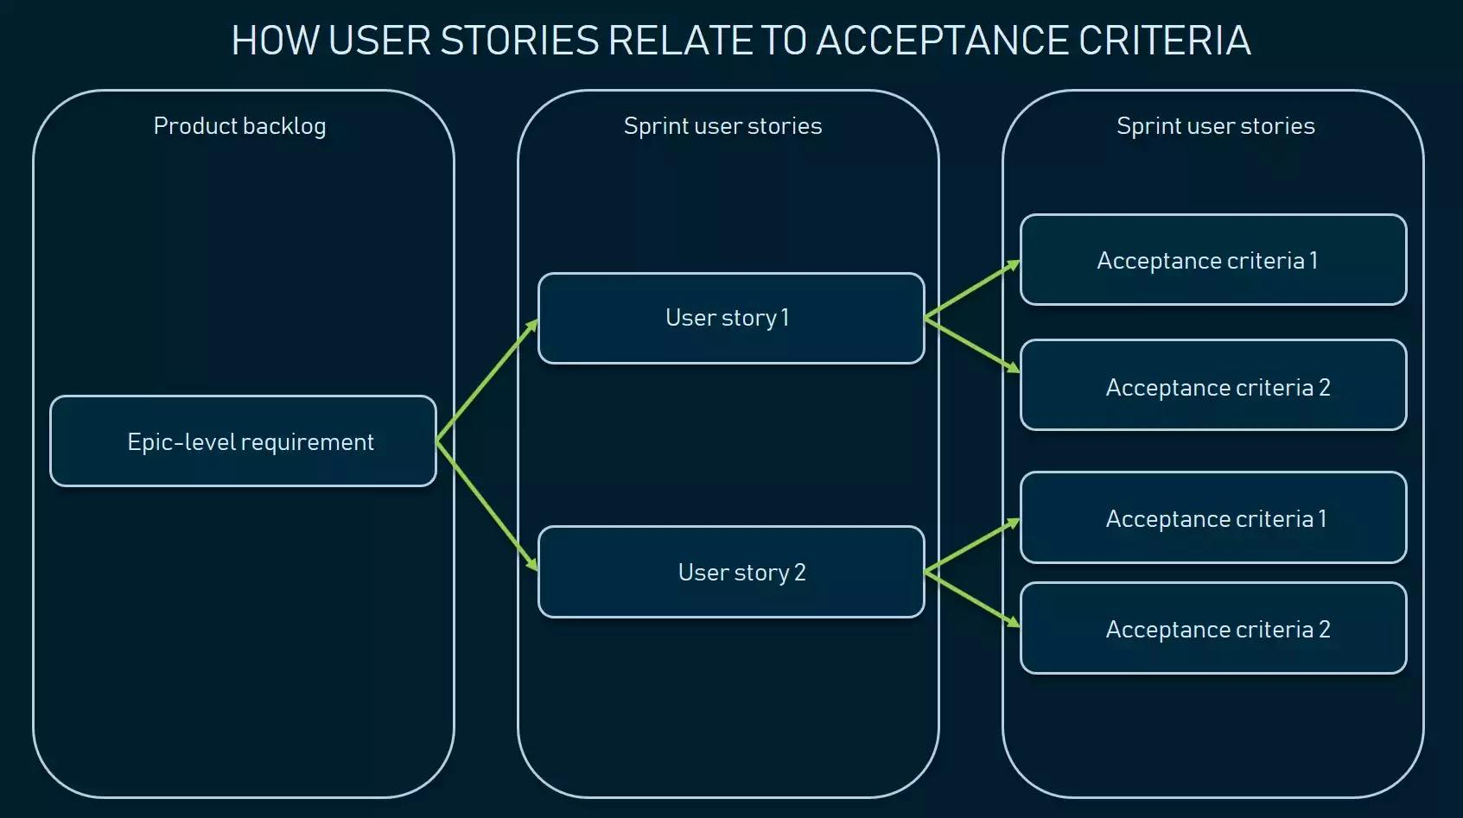
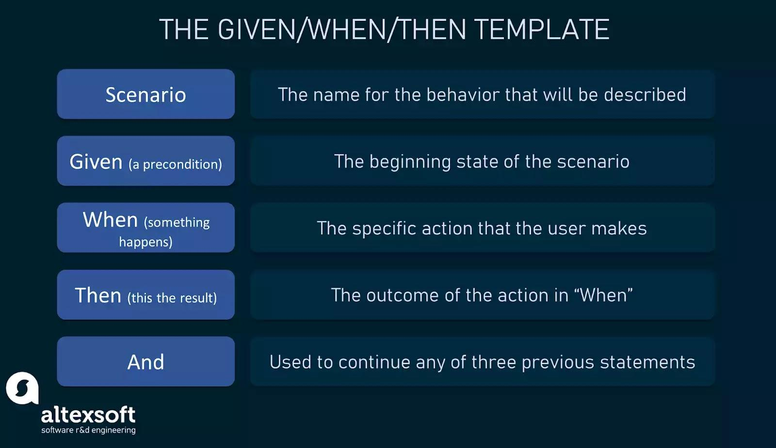
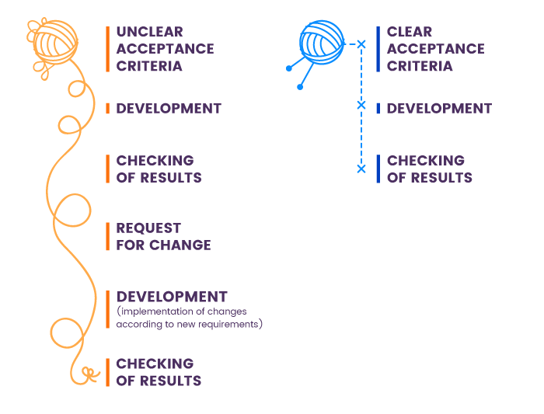
Acceptance Criteria
Issue type | ID | Summary | Place
Acceptance Criteria | DCS-41 | As a customer I want to able to submit feedback So that the website owners can consider my opinion or concern during future website updates | Blog
 |  | Scenario: customer submits feedback form with the valid data “Given I’m in a role of logged-in or guest customer When I open the Feedback page Then the system shows me the Submit Feedback form containing “Email”,“Name” and “Comment” fields which are required When I fill in the “Email” field with a valid email address And I fill in the “Name” field with my name And I fill in the “Comment” field with my comment And I click the “Submit Feedback” button Then the system submits my feedback And the system shows the “You've successfully submitted your feedback” flash message And the system clears the fields of the Submit Feedback form”
Acceptance Criteria | DCS-32 | As a signed-in customer I want to able to comment on a blog post So that I can get feedback on issues | Blog
 |  | Scenario: Signed-in customer leaves a comment on a blog post “Given I’m in a role of signed-in customer When I open the page with a specific blog post Then the system shows the “Comments” section below the blog post with the list of comments added by other customers And the system shows the “Add a Comment” field in the top of the “Comments” section When I fill in the “Add a Comment” field with my comment And I click the “Submit” button Then the system saves my comment And the system shows my comment in the top of the “Comments” section And the system shows my customer name and profile picture on the left side from my comment And the system shows “Remove” and “Edit” icons opposite my comment”
Acceptance Criteria | DCS-42 | As a customer I want to able to search on the webpage So that I can find necessary information | Search
 |  | Scenario: customer searches for an item by its name “Given that I'm in a role of registered or guest customer When I open the “Services” page Then the system shows me the list of all products And the system shows the “Search” section in the right top corner of the screen When I fill in the “Search” field with the name of existing item in the services list And I click the “Apply” button OR press the Enter key on keyboard Then the system shows products in the Search Results section with product names matching entered product name And the system shows the number of search results in the top of the Search Results section”
Acceptance Criteria | DCS-44 | As a customer I want to able to recover the passwords to my account So that I will be able to access my account in case i forgot password. | Login
 |  | Scenario: customer forgets password “Given that the customer navigates to the login page When the customer selects <forgot password> option And enter a valid email to receive a link for password recovery Then the system sends the link to the entered email Given the customer receives the link via the email When the customer navigates through the link received in email Then the system enables the customer to set a new password
Acceptance Criteria | DCS-40 | As a customer I want to able to access quick services near me So that I will be able to book in a urgent situation at my house. | Explore | x
 |  | Scenario: customer wants to access services which would arrive at their place in 30 minutes “Given that the customer navigates to the login page When the customer logged in and get navigated to the main page where the services are categorized according to Water, furniture, beauty and many more And customer surf through the main page but then they need services which would arrive in 30 minutes Then the customer select the filter option and selects the time in which service can arrive The System shows the customer the results after filter option After the customer selects the service and check out The system will show customer live location of the service and in how much time it will arrive |  | x
Acceptance Criteria | DCS-43 | As a customer I want to be able to recover my account customer ID/Name So that I will be able to access my account in case i forgot the account. | Login
 |  | Scenario: customer forgots customer name “Given that the customer navigates to the login page When the customer selects <forgot customer ID> option And enter the given contact information to receive a link/OTP. Then direct customer to the login page with the customername already entered. customer is been asked to enter the password to continue login.
Acceptance Criteria | DCS-39 | As a customer I want to be access the services according to categories such as water, furniture, beauty, etc So that I will be able to access the see the services available and who the professionals are | Explore
 |  | Scenario: customer wants to see the services provided by EasyWay “Given I’m in a role of guest customer When I open the web application I am able to see the main page Then the system shows me the services available on the web application When I click on one of the category Then the system shows me the service providers list.
Acceptance Criteria | DCS-38 | As a customer I want to be directly able to contact the technician via call/text So that I will be able to have a better service | Booking
 |  | Scenario: customer wants to see the phone number of the technician “Given I’m in a role of guest customer When I open the web application I will be able to see the main Services categories page Then when I click on one service it shows me the list of the technicians available When I select one of the technician and book it Then the system shows me the technician phone number and details to contact him via text/call.
Acceptance Criteria | DCS-45 | As a customer I want to browse all the professional home services provided. So that I have a list to select the service I want. | Explore
 |  | Scenario: Customer wants to get a list of services the user wants "Given I'm in a role of a guest customer or a logged-in customer When I open the application and looks for what all services the application offer Then I should be able to get an entire list of all the services along with their technician.
Acceptance Criteria |  | As a customer, I want to register myself to the application So that I can keep my account private and login using email/phone and password. | Sign Up
 |  | Scenario: Customer wants to keep his account private. "Given I'm in the role of guest customer When I open the application I should be able to create and register my account with an id and password, Then I would only be able to login into my account.
Acceptance Criteria | DCS-28 | As a customer, I want to book a service So that I can book an appointment. | Booking
 |  | Scenario: Customer wants to book an appointment "Given I'm a logged-in customer When I open services I would be able to see a list of services available Then I would be able to book an appointment for the services I want.
Acceptance Criteria | DCS-29 | As a customer, I want to see the services booked by me So that I can track it. | Booking History | x
 |  | Scenario: Customer wants to track the appointment "Given I'm a logged-in customer When already scheduled an appointment Then I would be able to track the appointment date and time of the booking along with details of the technician. |  | x
Acceptance Criteria | DCS-46 | As a customer, I want to email customer service So that I can get my issue resolved | Customer Care | x
 |  | Scenario: Customer wants to email the customer service "Given I'm a logged-in customer When I have an issue with an order I placed/received or to get any information. Then I would be able to get my issues addressed and resolved. |  | x
Acceptance Criteria | DCS-47 | As a customer, I want to be able to find all the quick links in one place/or at the bottom of the page So that I will be able to access the links and find necessary information | Sitemap | x
 |  | Scenario: customer wants to access the quick links for finding information “Given that I'm in a role of registered or guest customer When I am trying to find information to help myself rather contacting customer care Then I want to be able to find the quick links listed at the bottom of the page or on my profile And I click on the links which open pages of the information I'm trying to find. |  | x
Acceptance Criteria | DCS-30 | As a customer, I want to browse the service list So that I will be able to see what all this app offers. | Explore
 |  | Scenario: Customer wants to get a list of services the user wants "Given I'm in a role of a guest customer or a logged-in customer When I open the application and looks for what all services the application offers Then I should be able to get an entire list of all the services.
Acceptance Criteria | DCS-31 | As a customer, I want to choose the date and time of service So that it is available at my convenience. | Booking
 |  | Scenario: customer wants to see the service person available time and date “Given I’m in a role of guest customer When I open the web application I will be able to see the main Services categories page Then when I click on one service it shows me the list of the technicians available When I select one of the technician and try to book it Then I should be able to see their available date and time.
Acceptance Criteria | DCS-53 | As a signed in customer, I want to log out So that I can have my privacy in the app. | Log Out
 |  | Scenario: customer wants to logout the application “Given I’m in a role of signed in customer When I open the web application I will be able to see the my accounts page Then when I click on log out Then I should be logged out from the app
Acceptance Criteria | DCS-33 | As a customer, I want to browse the service list So that I can get some information what does this particular service do. | Explore
 |  | Scenario: customer wants to get some information about services “Given I’m in a role of guest or signed in customer the explore page When on any of the service in the list Then I should be able to see some information about that service.
Acceptance Criteria | DCS-34 | As a customer, I want to create my profile So that I can store my Address and Phone No. in it. | Profile
 |  | Scenario: customer wants to save their address and phone number in the app “Given I’m in a role signed in customer When when i click on my account Then I should be able to save my address in Address Tab and phone in Phone No. tab.
Acceptance Criteria | DCS-36 | As a customer, I want to be able to cancel my booked service So that I can not expect the professional to reach my home. | Booking
 |  | Scenario: customer want to cancel a booking “Given Im in a role of logged-in customer When I open the Booking History page Then the system shows me the confirmation tab for cancelling And when I click on Yes it should cancel my booked service.
Acceptance Criteria | DCS-37 | As a customer, I want to be able to prepone or postpone my booked service So that I can expect the professional on some other date or time. | Booking
 |  | Scenario: customer want to prepone or postpone booking “Given Im in a role of logged-in customer When I open the Booking History page Then the system shows me the confirmation tab for rescheduling And when I enter a new date and time it should reschedule my booked service.
Acceptance Criteria | DCS-35 | As a customer, I want to be able to add multiple address So that I can use them to schedule a service for my office. | Profile
 |  | Scenario: customer want to add multiple address “Given Im in a role of logged-in customer When I open the Profile page Then the system shows me add new address And when I enter a new address it should have all my address in it.
Acceptance Criteria | DCS-54 | As a customer, I want to login in app So that I can use it to store all my information. | Login
 |  | Scenario: customer want to sign-in in the app “Given Im in a role of a guest customer When I open the Account registration page Then the system shows me add my email, name and password And when I all the details i should be able to login the app.

